Results
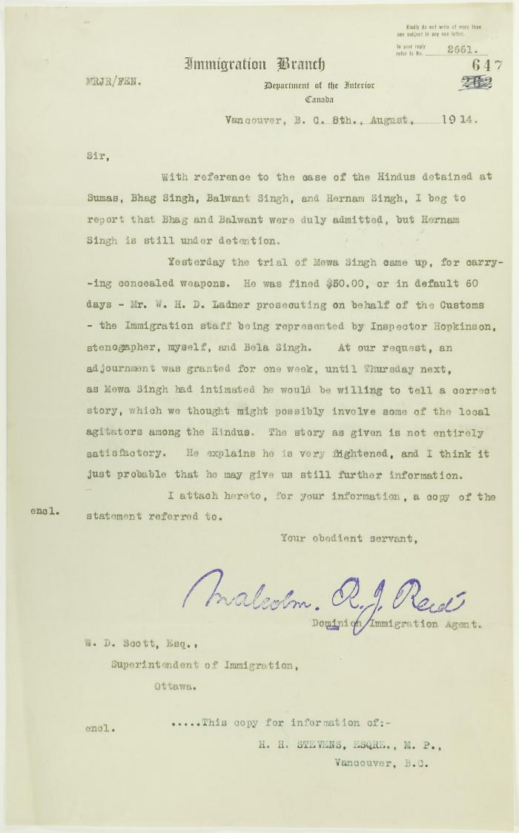
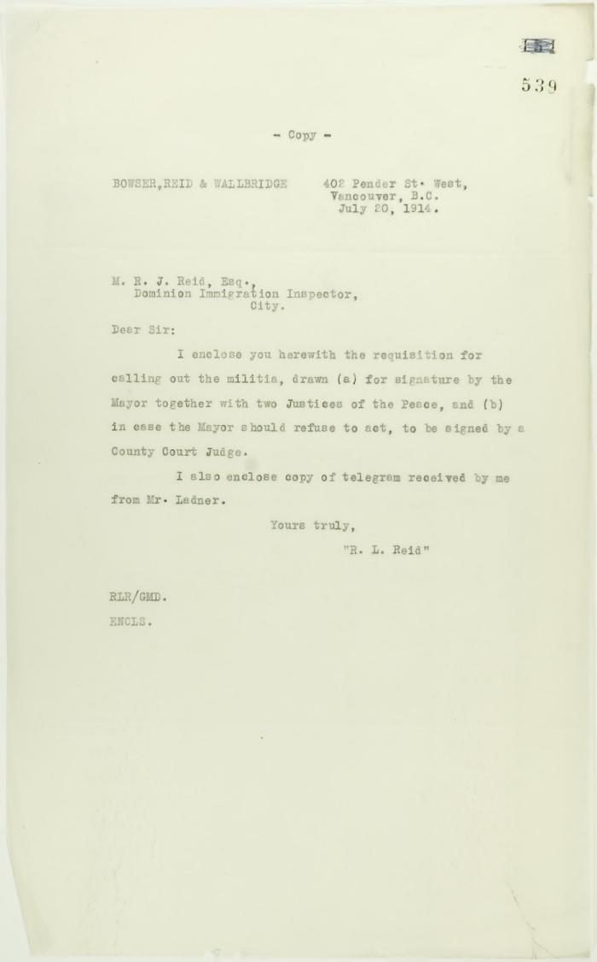
Image | Object | Description | Date
 | Copy of letter from Reid to W. D. Scott re Hindus detained at Sumas, and enclosing a statement by Mewa Singh (2021_07_10771) | Page 647
 | Copy of letter from Mr. Reid (lawyer) to Mr. Reid (Immigration Inspector) enclosing requisition for calling out the militia (2021_07_10755) | Page 539
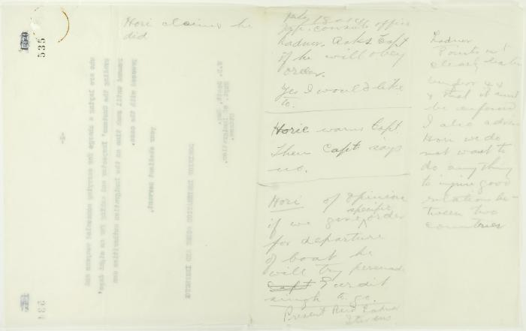 | Pencilled notes re Y. A. Hori (2021_07_10751) | Page 535
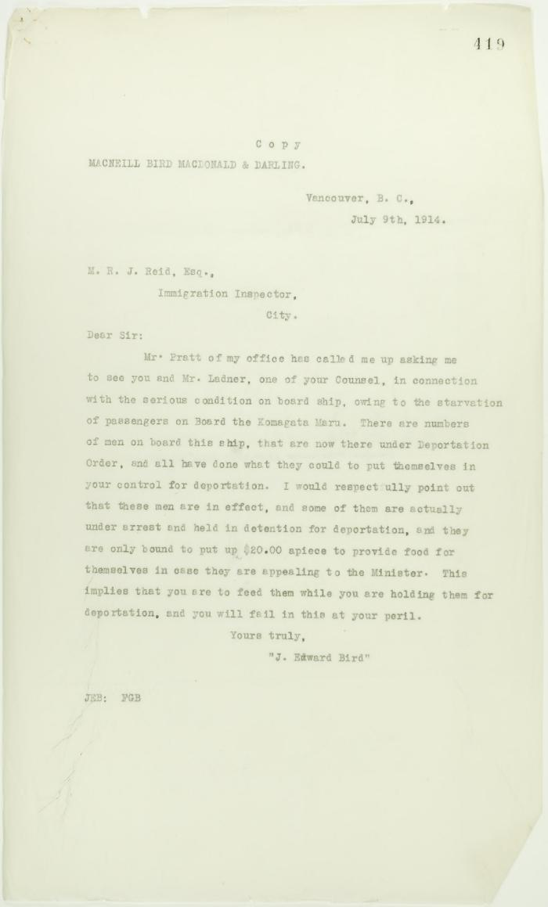
 | Copy of letter from J. E. Bird to Reid re provisions (2021_07_10719) | Page 419
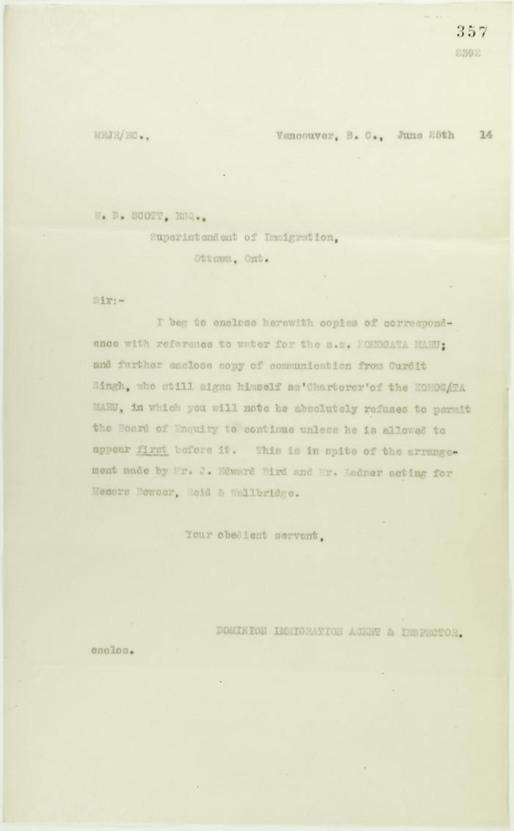
 | Copy of letter from Reid to W. D. Scott, sent with p. 353 and p. 354 (2021_07_10702) | Page 357
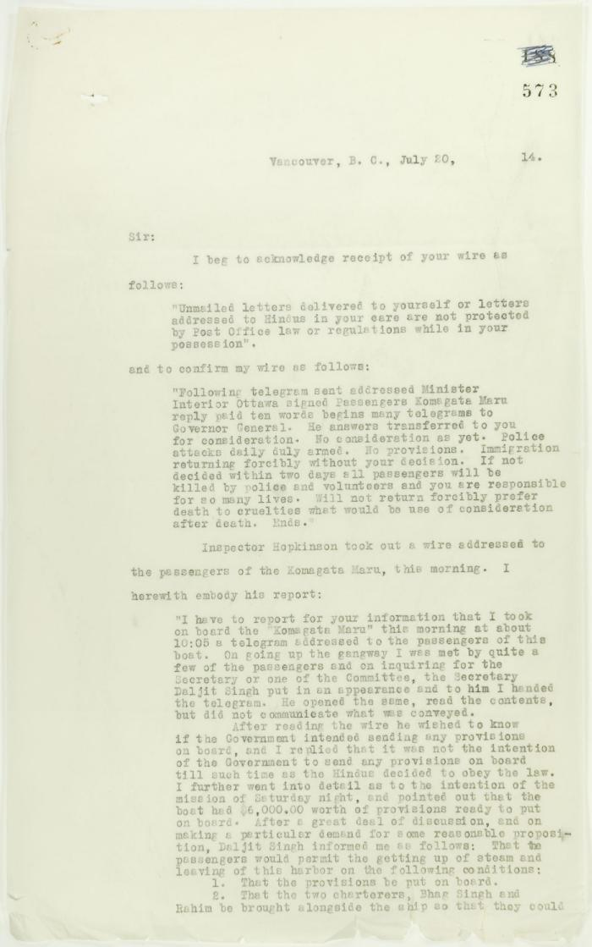
 | Copy of letter from Reid to W. D. Scott re wires received and sent regarding final arrangements. Page 1-8 (2021_07_1540) | Page 573-580

