Results
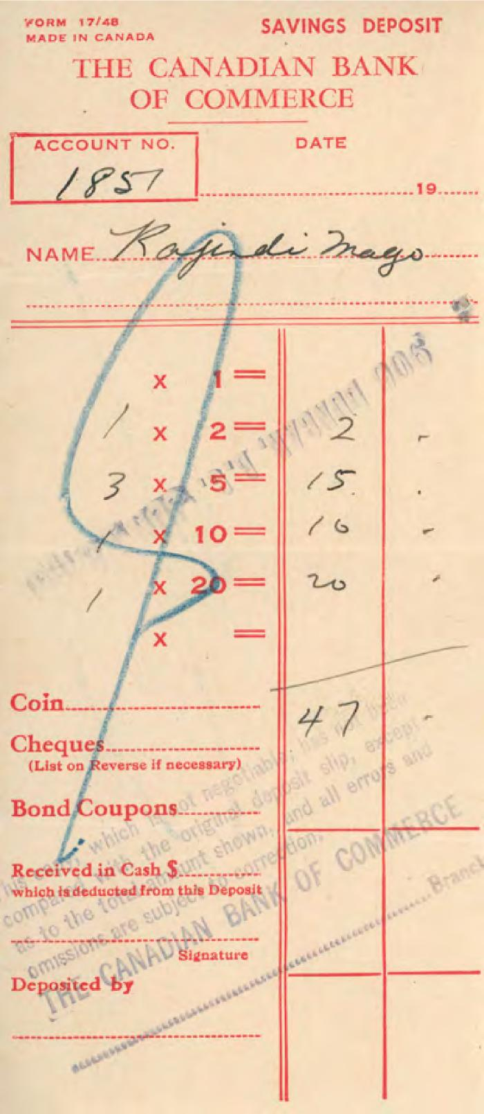
Image | Object | Description | Date
 | [Bank receipt from the Canadian Bank of Commerce to Rajindi Mayo] (2020_05_01_06_227) | Bank receipt from the Canadian Bank of Commerce to Rajindi Mayo of a total amount of $47.
 | [Wedding invitation for Nona and Narendra] (2020_06_03_001) | Wedding invitation sent to Joan and Rajindi Mayo by Apjit and Paramjit Bassi on behalf of their daughter Nona.
 | [Rajindi with two children on couch] (2020_06_07_001) | Image of Rajindi Mayo holding two children, sitting on a green couch.
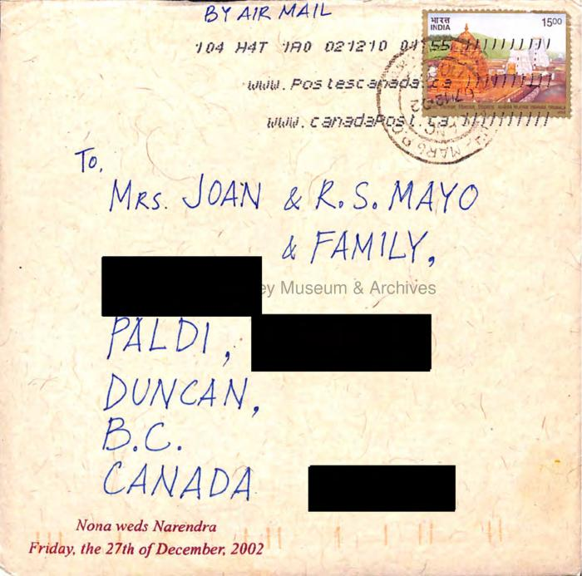 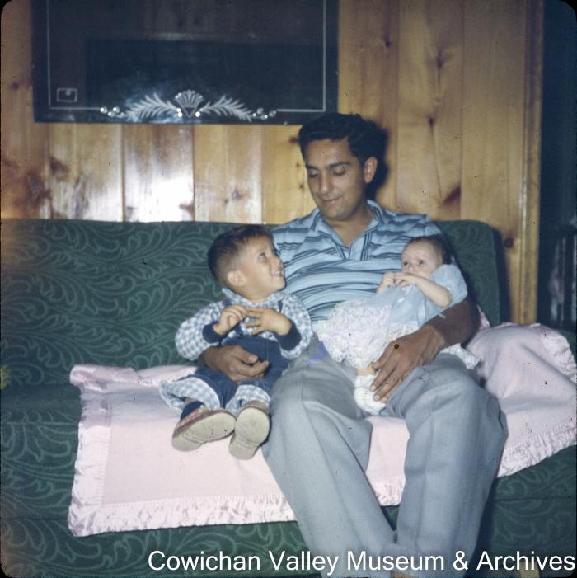 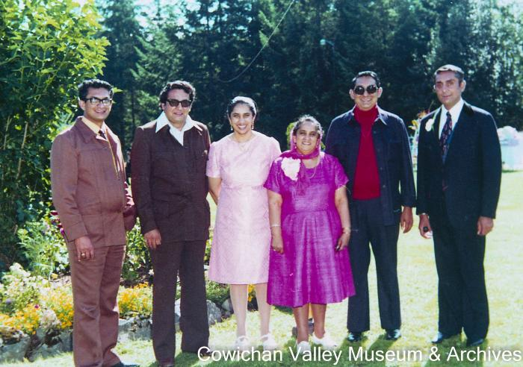 | [Mayo siblings posing in a park] (2020_06_07_081) | Image of Rajindi, Gindi, Jindo, Gloria, Mike, and Mindi posing in a park wearing suits and dresses.
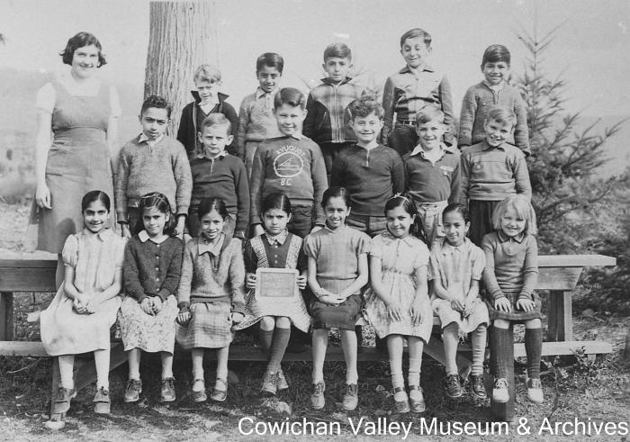 | [Group of unidentified school children and teacher at Mayo School posing for class portrait] (2020_06_07_096) | Image of unidentified group of school children and teacher posing for group portrait at the Mayo School
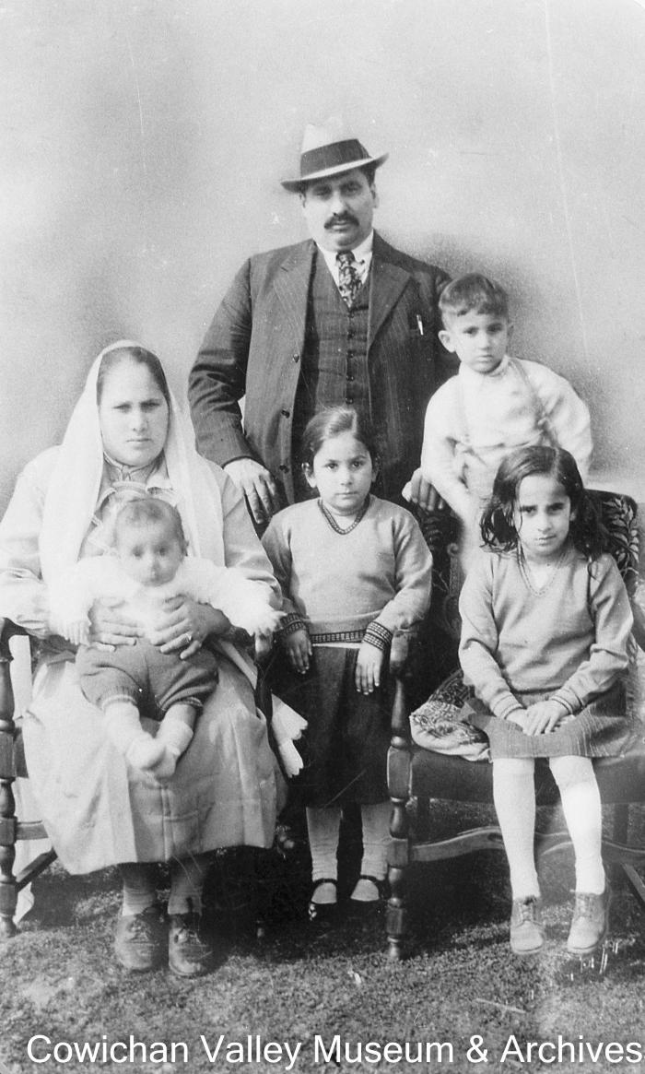
 | [Mayo family portrait] (2020_06_07_229) | Image of Mayo Singh, Bishan Kour, and their children. Rajindi is sitting on Bishan's knee and Jindo is seated on the chair on the right. This picture was taken in honour of Mayo's 25th year in Canada.
 | Clarence Martin on the train Henry McHemer company controller and Rajindi Mayo president Mayo Lmbr Co. (2020_06_08_08_006) | Image of Clarence Martin, Henry McHemer, and Rajindi Mayo posing with a Mayo Lumber Co. locomotive.
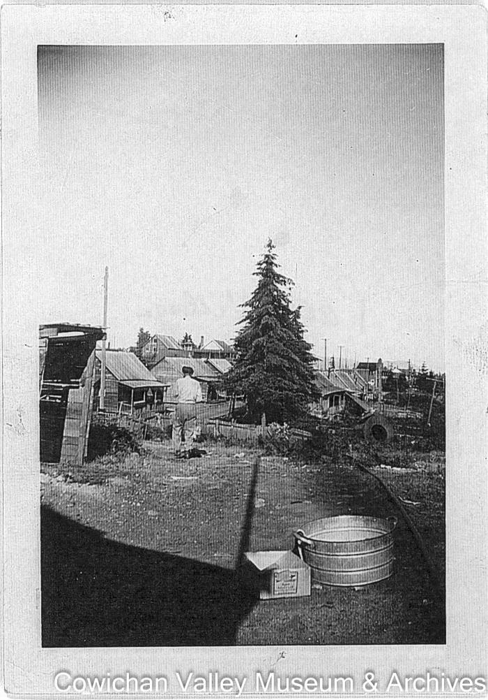
 | Logged off area near village of Paldi (2020_06_10_016) | Image of Rajindi Mayo walking among a group of buildings.
 | Rajindi and Mindi (2020_06_10_021) | Image of a white building with two men, Rajindi and Mindi, standing in front of it.
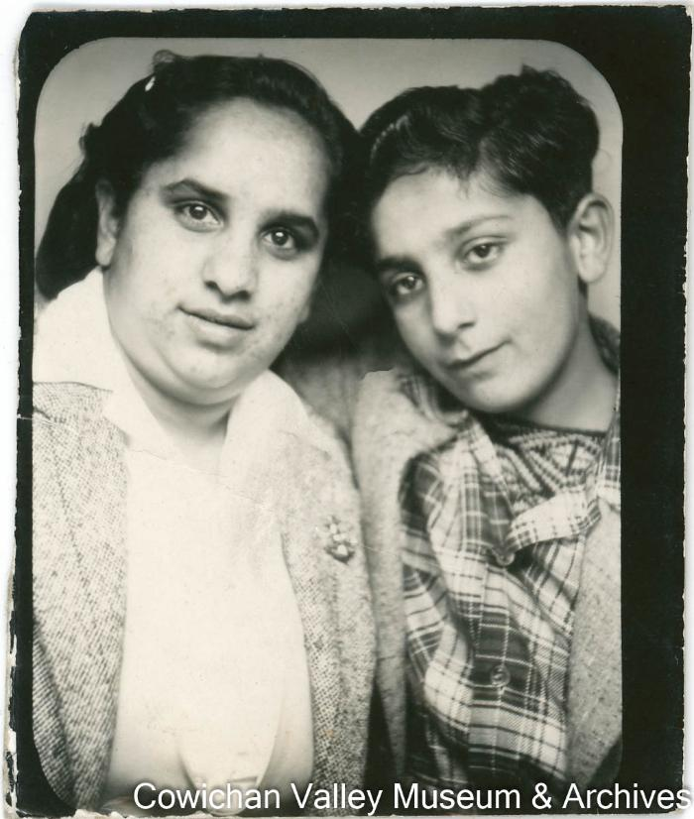
 | Miss Jindo Mayo and Mr. Rajindi Mayo = Jindo and Rajindi (2020_06_11_001) | Image of Jindo Mayo and Rajindi Mayo posing for a photo.
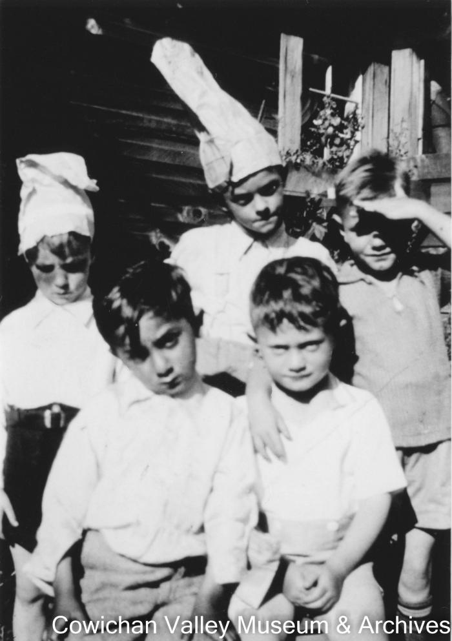
 | Peter Kenyon's birthday (2020_06_11_008) | Image of Rajindi Mayo and four other young boys posing for a photo at a birthday party.
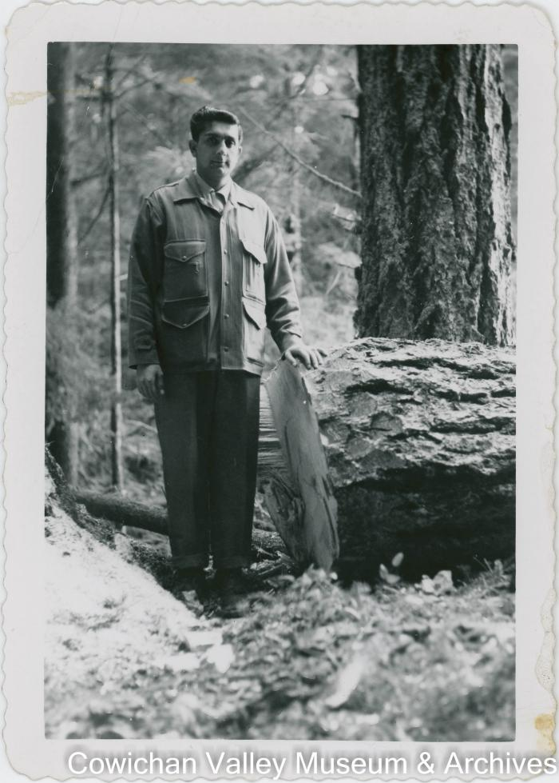
 | Reg Rajindi Mayo standing beside felled log (2020_06_11_009) | Image of Reg Rajindi Mayo standing beside a felled log.
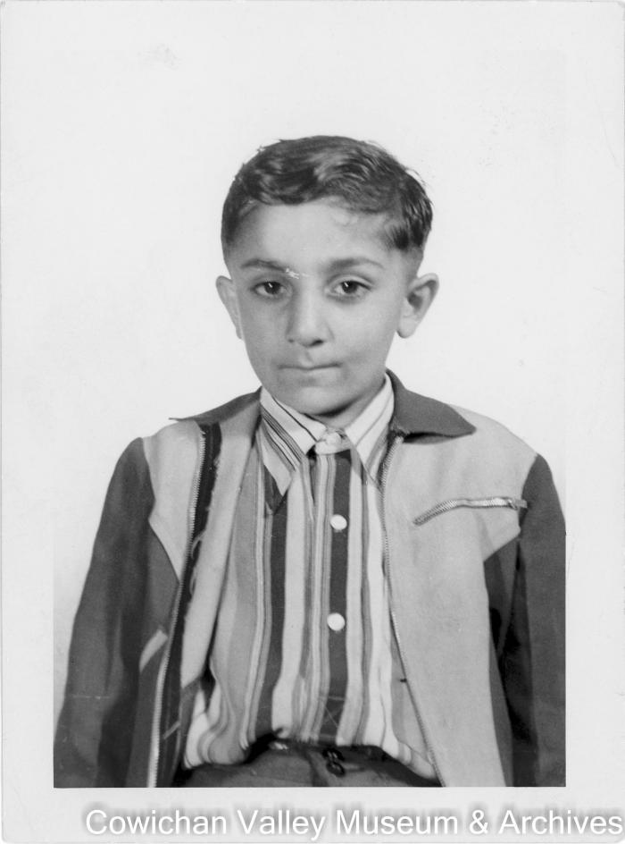
 | Rajindi (2020_06_11_012) | Image of Rajindi Mayo posing for a photo.
 | Rajindi (2020_06_11_060) | Image of a young Rajindi posing for a photograph.
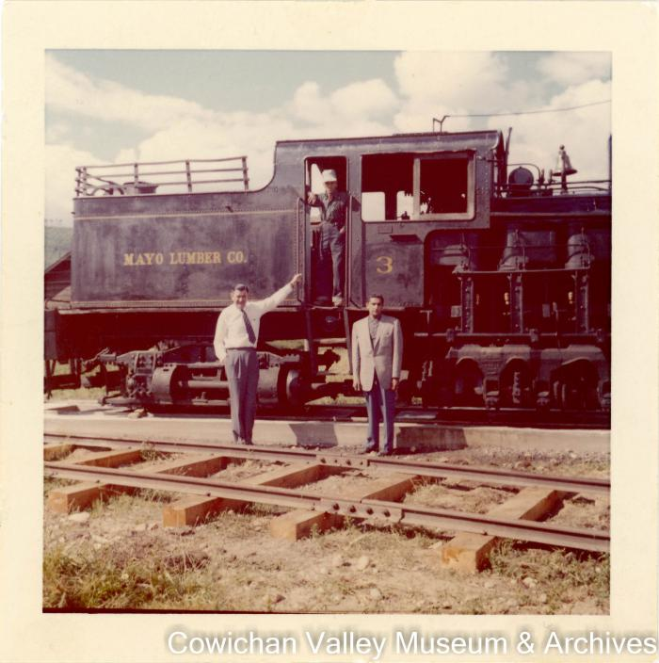 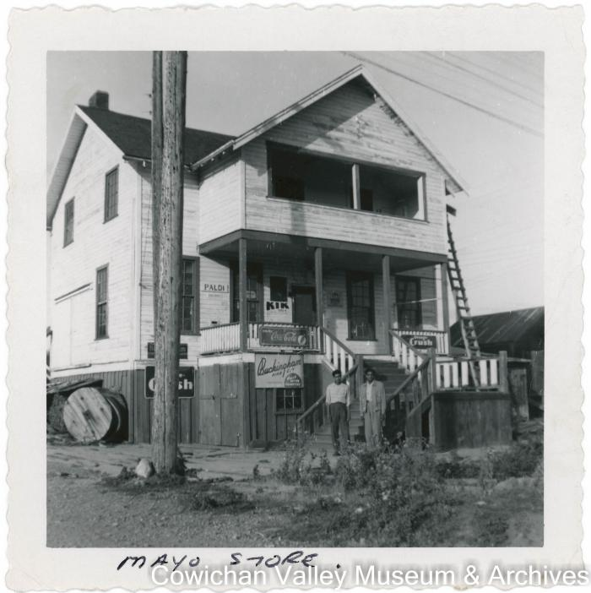 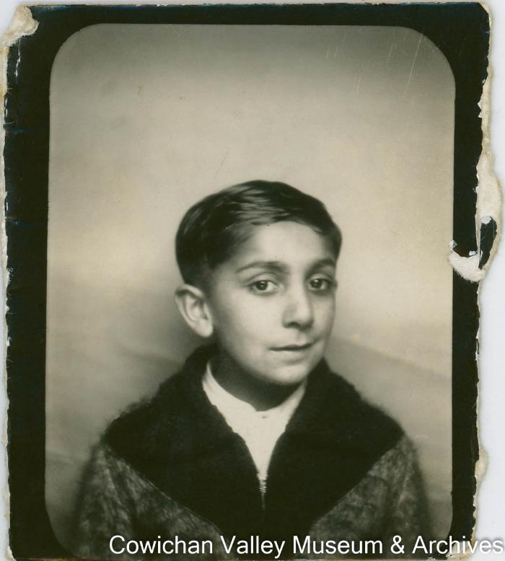 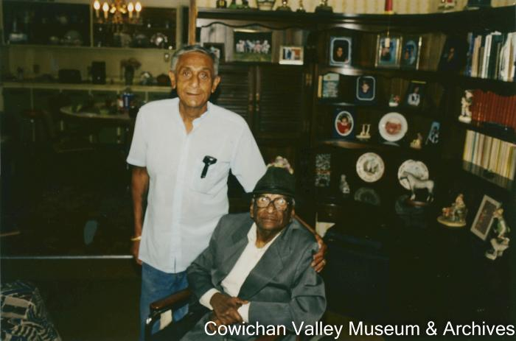 | Rajindi Mayo with Dr. Pandia (2020_06_11_076) | Image of Dr. Pandia and Rajindi Mayo posing for a photo.
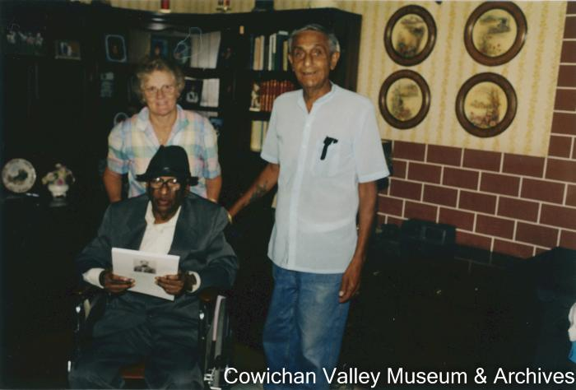 | Dr. Pandia, Rajindi and Joan Mayo (2020_06_11_078) | Image of Dr. Panida, Rajindi Mayo and Joan Mayo posing for a photograph.
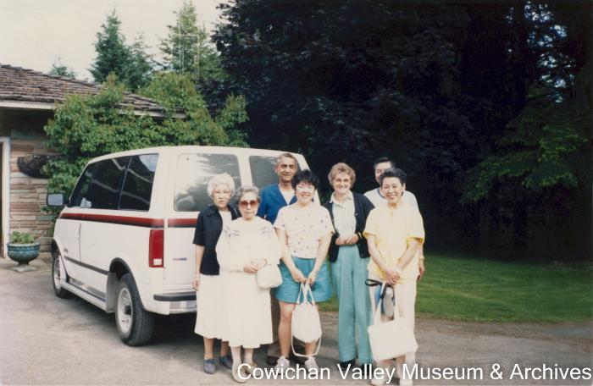 | Japanese Canadians from across Canada return to their former hometown (2020_06_11_107) | Image of Rajindi and Joan Mayo with a group of Japanese visitors in front of a white van.
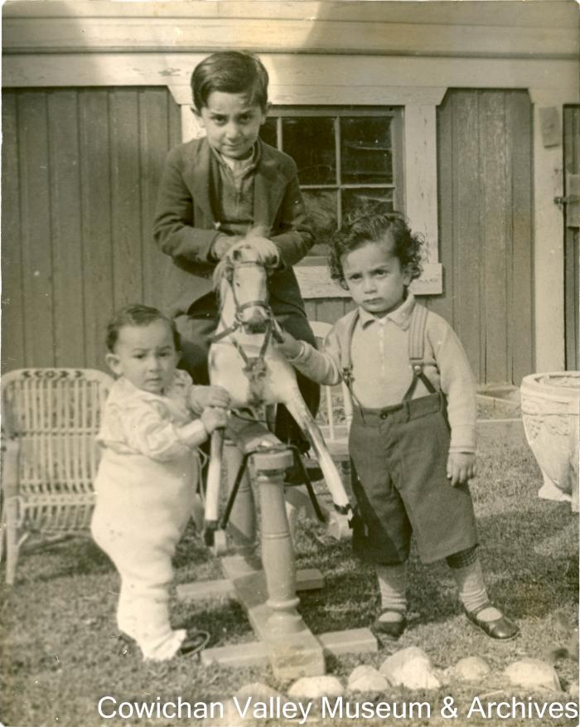
 | [Rajindi riding a rocking horse next to two young children] (2020_06_11_114) | Image of a Rajindi riding a rocking horse next to two younger children. Gindi Mayo is on the left.
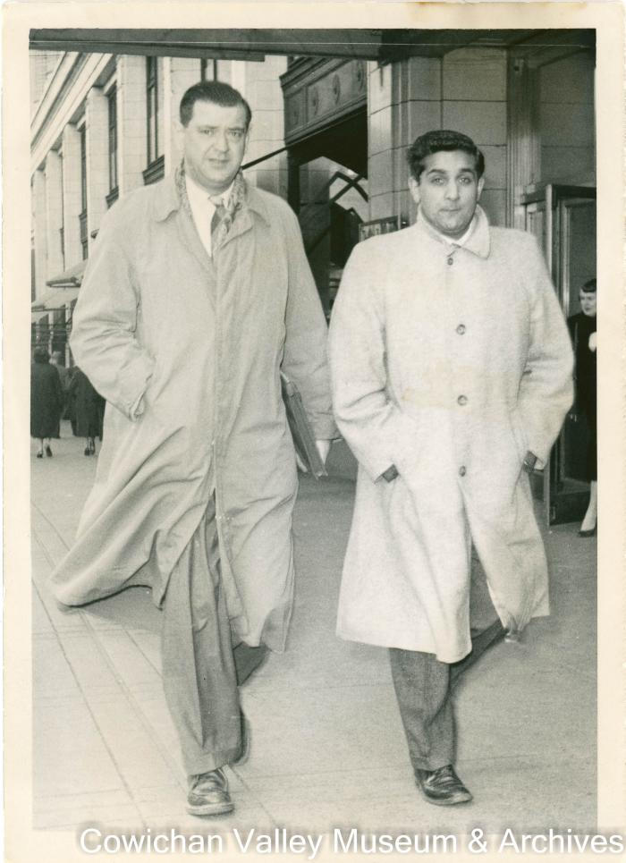
 | Henry McHemer office controller and Rajindi (2020_06_11_118) | Image of Henry McHemer and Rajindi Mayo walking down the street together.
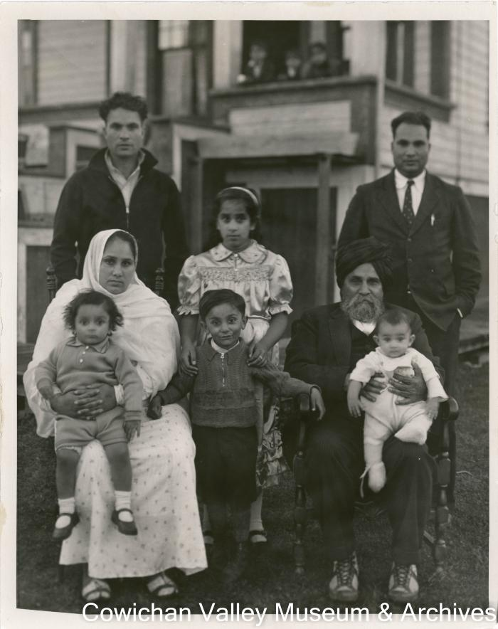
 | [Rajindi and his family posing for a family photo] (2020_06_11_119) | Image of Rajindi Mayo as a child posing for a family photo with his family.
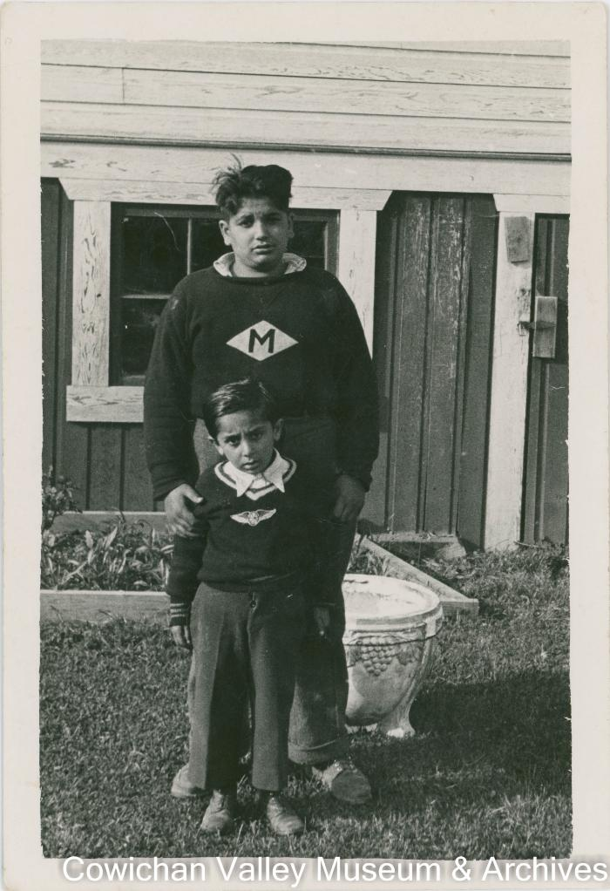
 | Sokar and Rajindi Mayo (2020_06_11_123) | Image of Sokar and Rajindi Mayo posing for a photo in front of the Mayo family home.
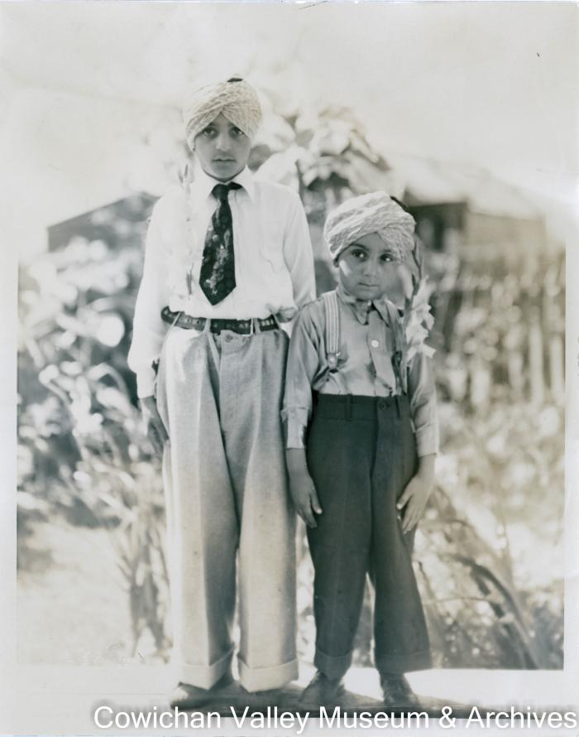
 | Gurbachn and Rajindi Mayo (2020_06_11_131) | Image of Gurbachn and Rajindi Mayo posing for a photo.
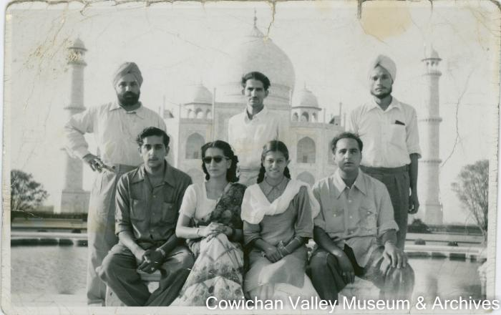 | Tharandor Banghia Gurbachan = Rajindi Banghia's wife Bangia's daughter = Herb Luddu (2020_06_15_017) | Image of Tharandor Bhangia Gurbachan, Rajindi Mayo, Gurbachan's wife and daughter, Herb Luddu, and an unidenfitied man posing in front of the Taj Mahal.
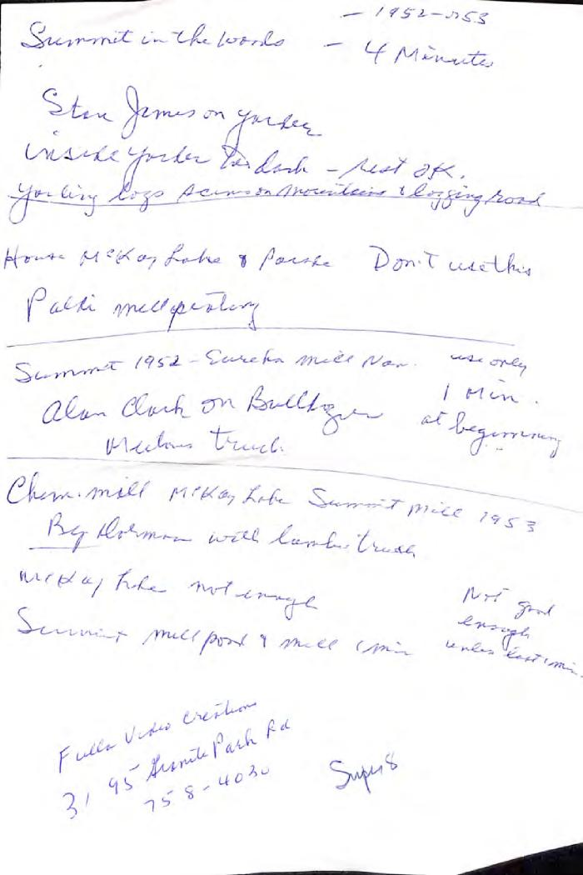
 | [Description of films] (2020_06_16_003) | Description of some of the films taken by Rajindi Mayo.
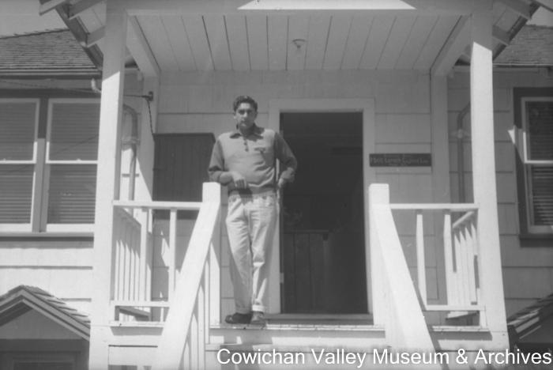 | [Rajindi Mayo on porch] (2020_06_18_016) | Image of Rajindi Mayo standing on the porch of the Mayo Lumber Co. office.
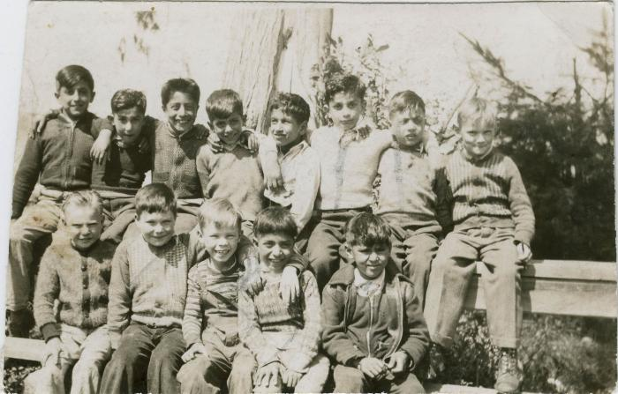 | [Boys sitting on fence] (2021_04_03_006) | Image of a group of thirteen young boys sitting on a wooden fence. Rajindi Mayo is third from right in the back row.

