Results
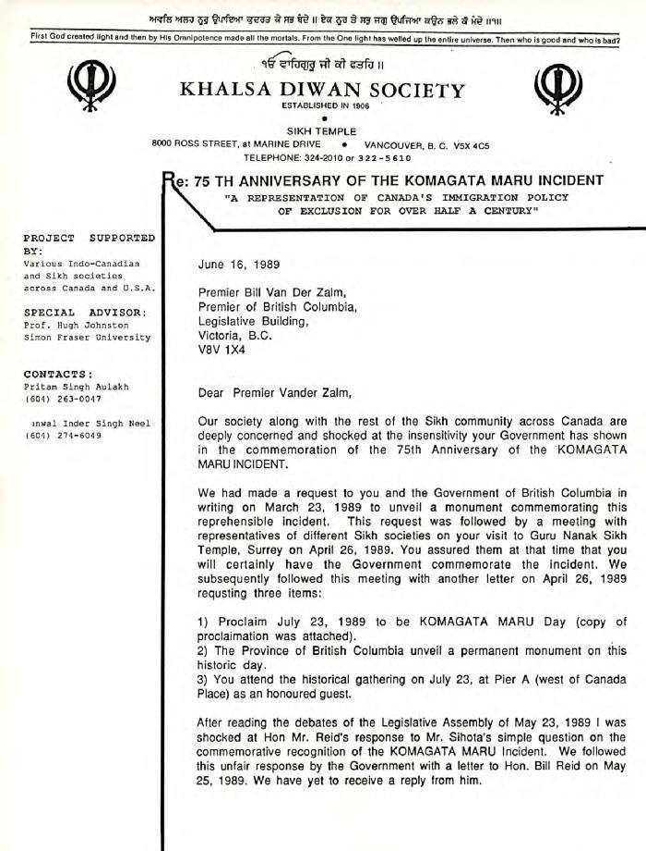
Image | Object | Description | Date
 | [Letter to Bill Vander Zalm from Bikar Singh Dhillon] (2020_04_004_027) | Letter written by Bikar Singh Dhillon, president of Khalsa Diwan Society Vancouver, to B.C. Premier Bill Vander Zalm. Dhillon expresses his shock at the premier's treatment of M.L.A. Moe Sihota, as well as his refusal to support the placement of a commemorative plaque honouring the passengers of the Komagata Maru. Dhillon reminds the premier of the past actions of the provincial government during the time of the Komagata Maru tragedy, and further reminds Vander Zalm of his previous promises to honour the Sikh community. The letter is printed on a white paper with the Khalsa Diwan Society Vancouver letterhead.
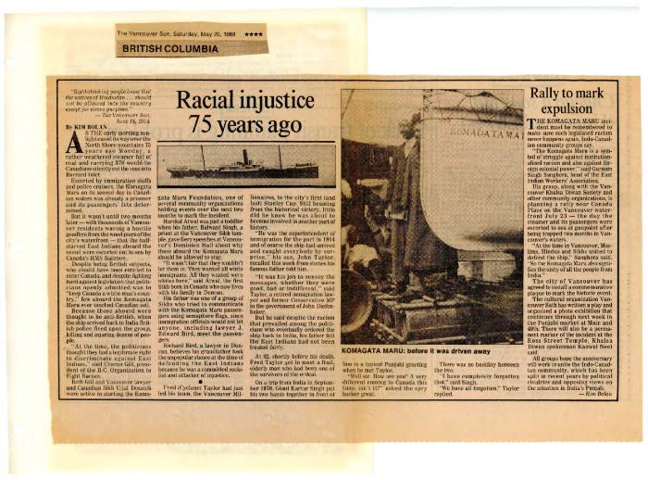 | [Newspaper clippings] (2020_04_004_037) | Compilation of Canadian newspaper clippings surrounding the topic of the 75th anniversary of the Komagata Maru. Articles included are printed in English and Punjabi.
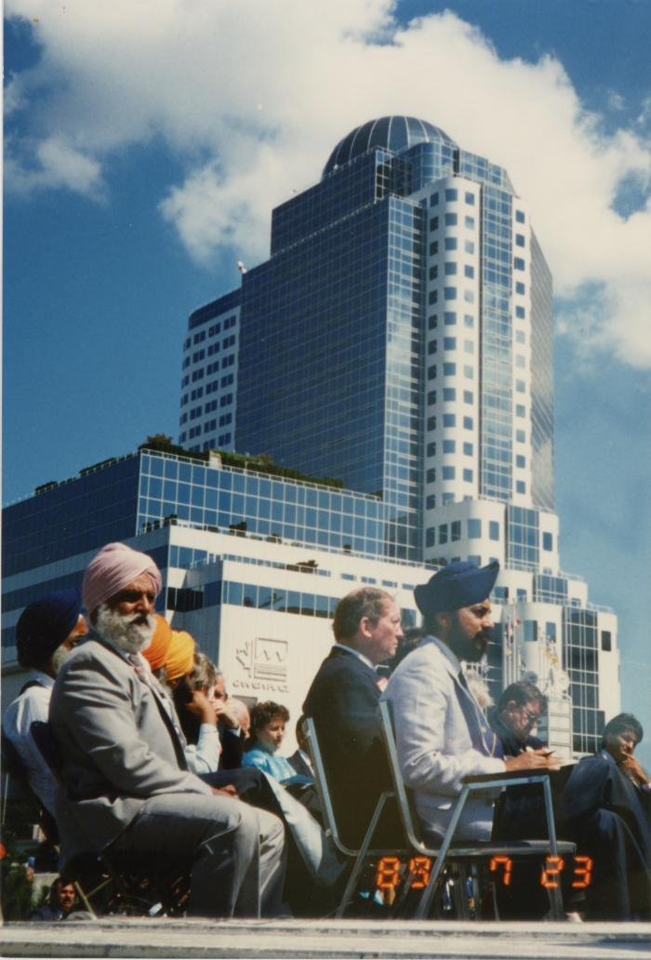
 | On stage at the Canada Place gathering (2020_04_004_067) | A colour image taken at the historical gathering commemorating the 75th anniversary of the Komagata Maru tragedy. A group of people are seen seated on top of a stage. In the foreground, Kanwal Singh Neel and Bikar Singh Dhillon are seen seated. Behind him, John Fraser is also visible. In the background, Canada Place is seen.
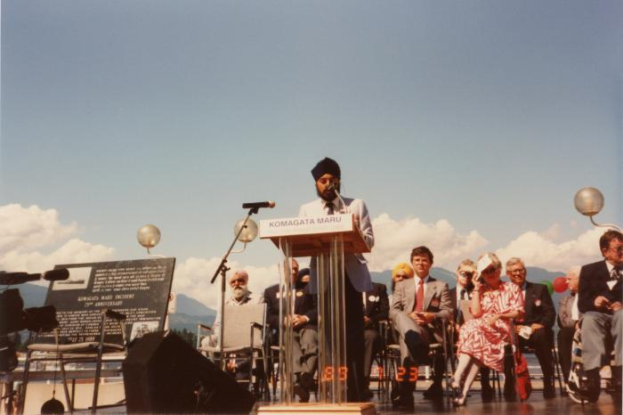 | Canada Place gathering (2020_04_004_086) | A colour image taken at the historical gathering commemorating the 75th anniversary of the Komagata Maru tragedy. A group of people are seen seated on top of a stage. On the left there is a chair holding a plaque and speakers. At the centre, there is a podium that reads, "Komagata Maru 75th Anniversary 1914-1989." Kanwal Singh Neel is seen standing behind the podium, speaking into a microphone. Bikar Singh Dhillon, Margaret Mitchell, Gordon Wilson, and Doug Mowat are seen seated on stage.
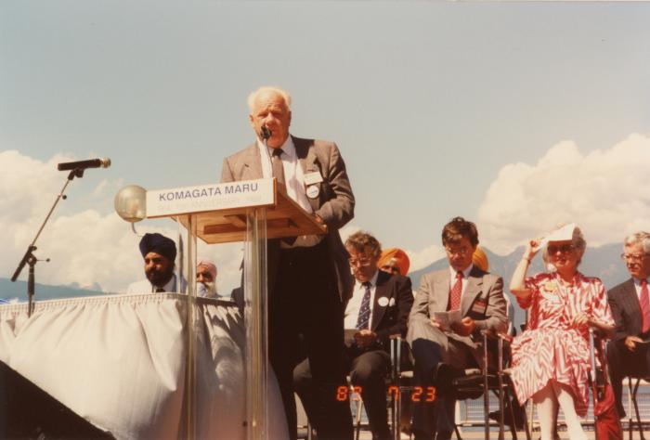 | Mr. Jim Young : Burnaby (2020_04_004_091) | A colour image taken at the historical gathering commemorating the 75th anniversary of the Komagata Maru tragedy. A group of people are seen seated on top of a stage. On the left there is a table. There is a podium that reads, "Komagata Maru 75th Anniversary 1914-1989." Jim Young, alderman of Burnaby, is seen giving a speech into the microphone. Kanwal Singh Neel, Bikar Singh Dhillon, Noël Kinsella, Margaret Mitchell, and Gordon Wilson are seen seated on stage behind Jim Young.
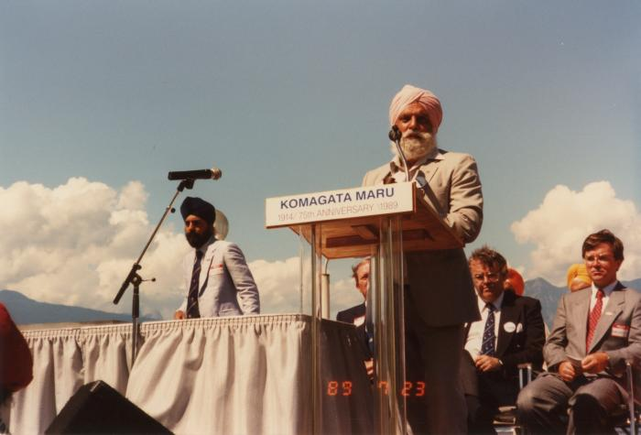 | [Mr. Bikar Singh Dhillon] (2020_04_004_092) | A colour image taken at the historical gathering commemorating the 75th anniversary of the Komagata Maru tragedy. A group of people are seen seated on top of a stage. On the left there is a table. There is a podium that reads, "Komagata Maru 75th Anniversary 1914-1989." Bikar Singh Dhillon, president of Khalsa Diwan Society Vancouver, is seen giving a speech into the microphone. Kanwal Singh Neel is seen standing in the background. Noël Kinsella and Gordon Wilson are seen seated on stage behind Bikar Singh Dhillon.
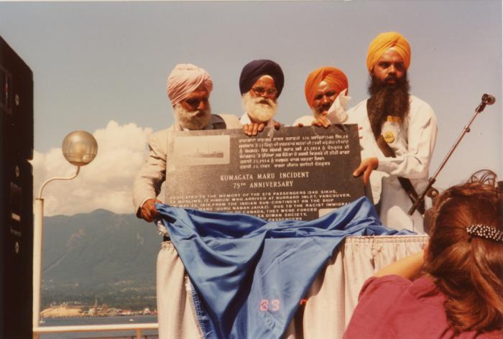 | Unveiling plaque (2020_04_004_093) | A colour image taken at the historical gathering commemorating the 75th anniversary of the Komagata Maru tragedy. There are four men standing on stage behind a table, holding up and unveiling a plaque. The plaque reads, "Komagata Maru Incident 75th Anniversary." In both English and Punjabi, there is writing on the plaque explaining the history of the Komagata Maru tragedy. The men seen include Bikar Singh Dhillon, Gurnek Singh Brar, Hari Singh Seehra, and Jagtar Singh Sandhu. On the left, speakers are visible. In front of the stage, a person is visible standing and looking towards the four men.
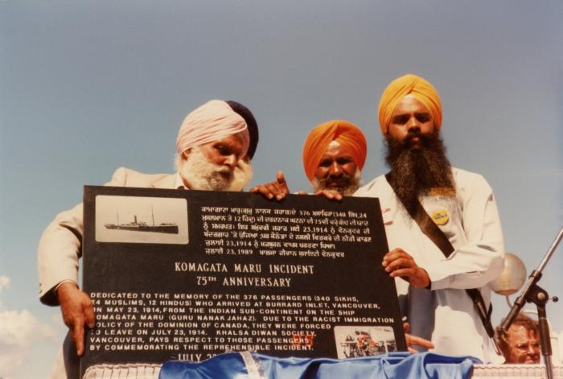 | Unveiling plaque (2020_04_004_094) | A colour image taken at the historical gathering commemorating the 75th anniversary of the Komagata Maru tragedy. There are four men standing on stage behind a table, holding up and unveiling a plaque. The men seen include Bikar Singh Dhillon, Gurnek Singh Brar, Hari Singh Seehra, and Jagtar Singh Sandhu. The plaque reads, "Komagata Maru Incident 75th Anniversary." In both English and Punjabi, there is writing on the plaque explaining the history of the Komagata Maru tragedy.
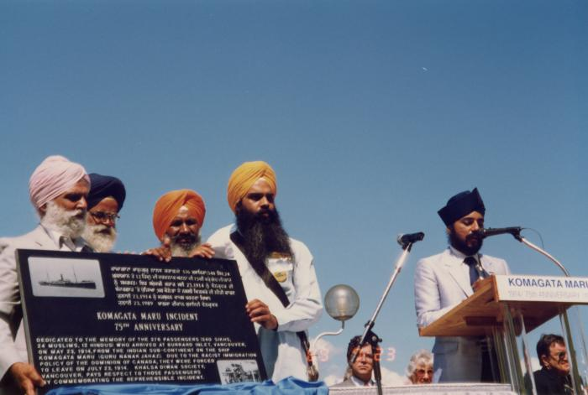 | Unveiling plaque (2020_04_004_095) | A colour image taken at the historical gathering commemorating the 75th anniversary of the Komagata Maru tragedy. There are four men standing on stage behind a table, holding up and unveiling a plaque. The men holding the plaque are Bikar Singh Dhillon, Gurnek Singh Brar, Hari Singh Seehra and Jagtar Singh Sandhu. The plaque reads, "Komagata Maru Incident 75th Anniversary." In both English and Punjabi, there is writing on the plaque explaining the history of the Komagata Maru tragedy. Kanwal Singh Neel is seen standing at a podium speaking into a microphone. The podium reads, "Komagata Maru 75th Anniversary 1914-1989."
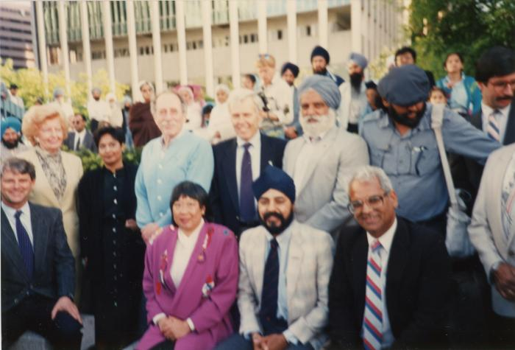 | L->R Mayor Campbell, Grace McCarthy, Fed, Ald. Walking, K. Neel, H. Rankin, Park, Charn Gill, B. Dhillon, H. Sharma (2020_04_004_114) | A colour image taken at the plaque unveiling event at Portal Park, Vancouver, commemorating the Komagata Maru 75th anniversary. A group of people are seen grouped together, looking forward. In the background there is a crowd of people.

