Results
Image | Object | Description | Date
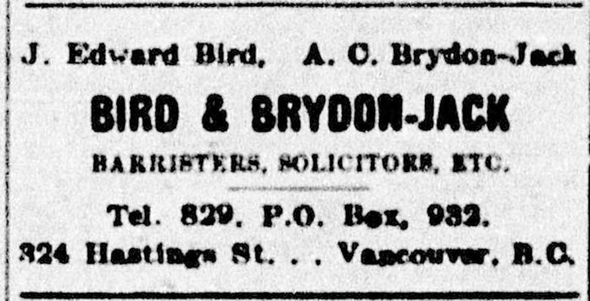 | [Advertisement of J. Edward Bird's legal firm] (2021_08_01_043) | Advertisement of J. Edward Bird's legal firm. J. Edward Bird, hired by the Khalsa Diwan Society to represent the passengers on board the Komagata Maru in Vancouver, 1914 was a regular advertiser in the Socialist Party newspaper. The Western Clarion, April 6, 1907, 4.

