Results
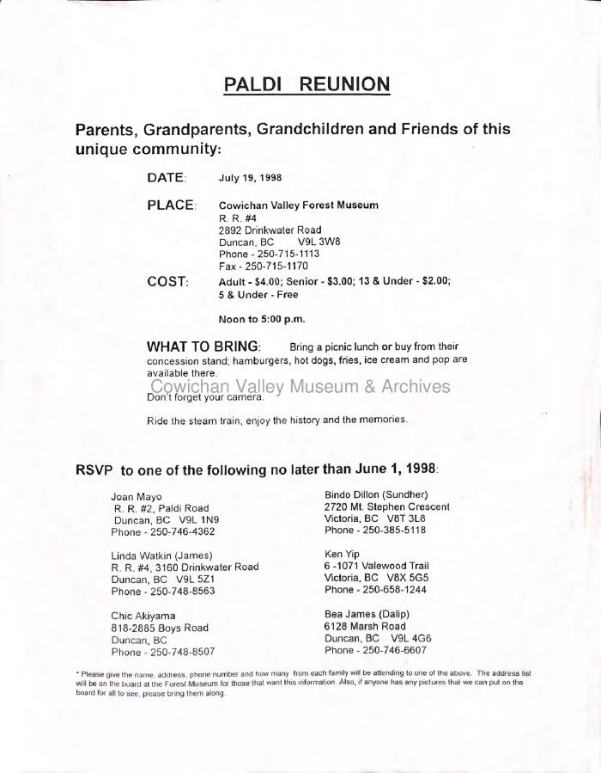
Image | Object | Description | Date
 | Paldi Reunion (2020_06_01_026) | This document is an open invitation to the Paldi reunion in 1998. Contents include date. place, cost, what to bring and how to RSVP for the event.

