Results
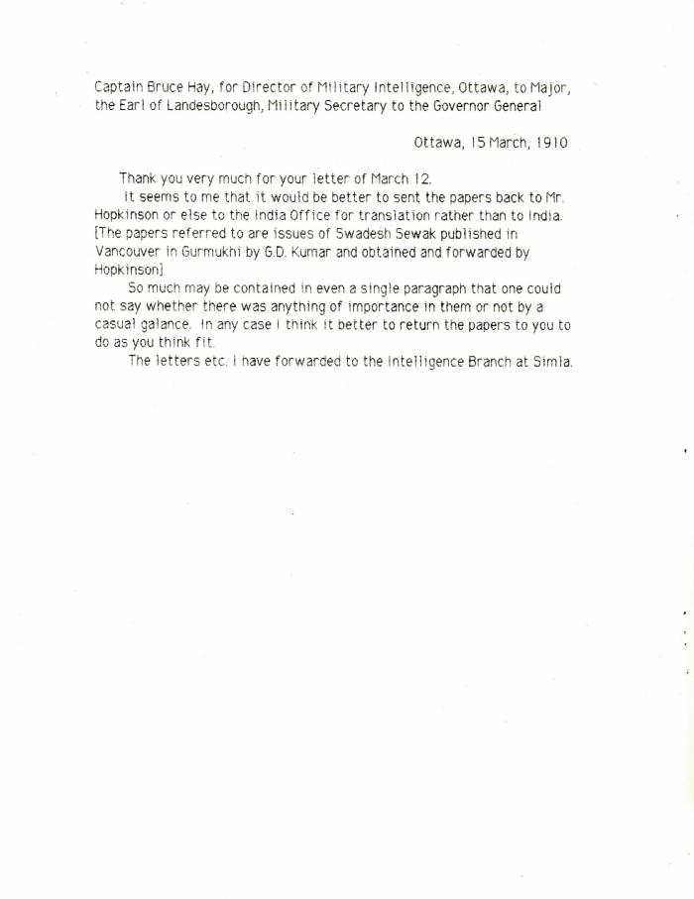

Image | Object | Description | Date
 | [Captain Bruce Hay, for Director of Military Intelligence, Ottawa, to Major, the Earl of Landesborough, Military Secretary to the Governor General] (2021_07_10431)
 | [Extract from William C. Hopkinson, Immigration Inspector, to William W. Cory, Deputy Minister of the Interior. Copy] (2021_07_4346) | Library and Archives Canada. RG7-G-21, Vol. 201, File 332, vol. 4

 | [Extract from William C. Hopkinson, Immigration Inspector, to William W. Cory, Deputy Minister of the Interior. Copy] (2021_07_4648) | Library and Archives Canada. RG7-G-21, Vol. 211, File 332 B
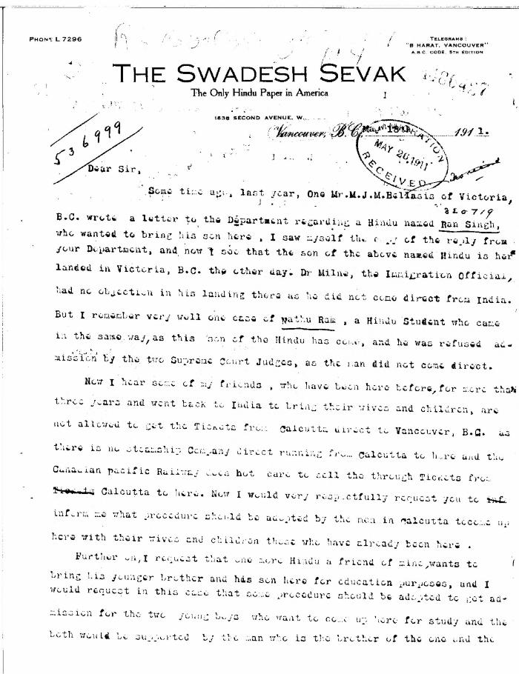
 | [Guran Ditt Kumar, Editor, The Swadesh Sevak, to William D. Scott, Superintendent of Immigration. Original] (2021_07_4387) | Library and Archives Canada. RG76, Vol. 384, File 536999, pt. 4

 | Letter from Reid to Stevens re censorship of Kumar's correspondence in the Province and the News Advertiser (2021_07_10783) | Page 704
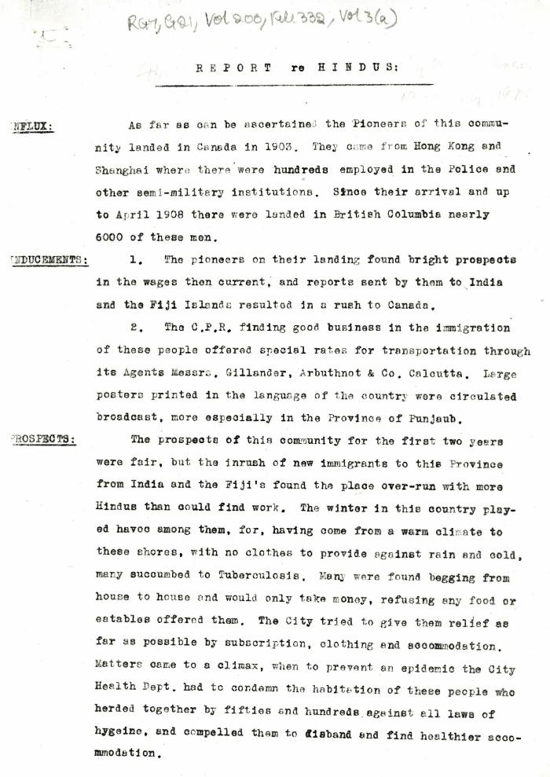
 | Report re Hindus [William C. Hopkinson, Immigration Inspector] (2021_07_4305) | Library and Archives Canada. RG7-G-21, Vol. 200, File 332, vol. 3 (a)

 | The Voyage of the Komagata Maru: The Sikh Challenge to Canada's Colour Bar (2021_07_10930) | Hugh Johnston provided the first thoroughly researched study of the Komagata Maru event, basing his analysis on official accounts from both Canadian and Indian sources, as well as on the reminiscences of the only passenger still alive at the time the book was written. This book is still the landmark text on the Komagata Maru and diligently outlines the life for Indians at the turn of the 20th century, the reasons for chartering the Komagata Maru, revolutionary movements in North America, the riot at Budge Budge and the lives of many of the key players after the events of the Komagata Maru.
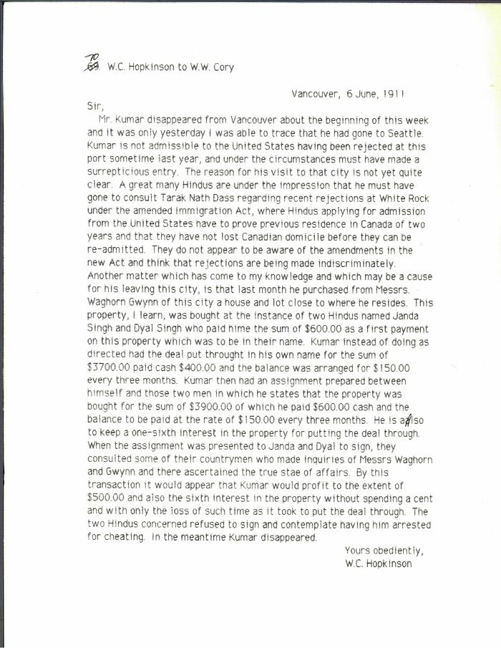
 | [William C. Hopkinson, Immigration Inspector, to William W. Cory, Deputy Minister of the Interior, re G. D. Kumar] (2021_07_10305) | Library and Archives Canada. RG7-G-21, Vol. 201, File 332, vol. 4

 | [William C. Hopkinson, Immigration Inspector, to William W. Cory, Deputy Minister of the Interior. Copy] (2021_07_4641) | Library and Archives Canada. RG76, Vol. 601, File 879545, pt. 2
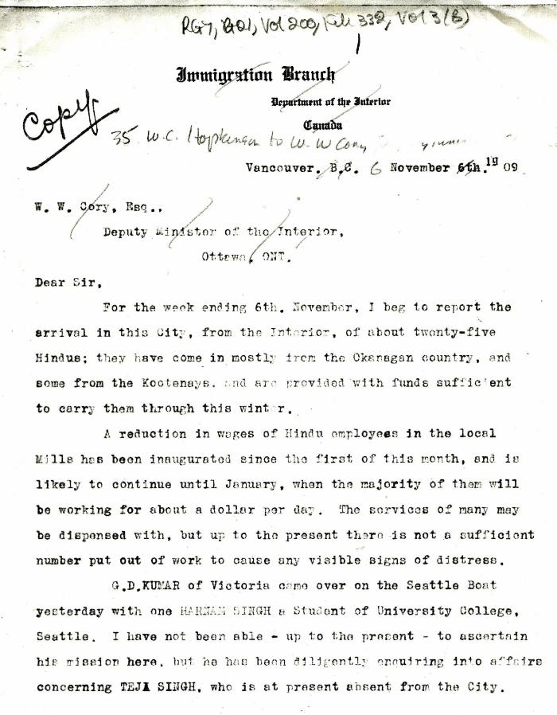
 | [William C. Hopkinson, Immigration Inspector, to William W. Cory, Deputy Minister of the Interior. Copy] (2021_07_5282) | Library and Archives Canada. RG7-G-21, Vol. 200, File 332, vol. 2 (3b)

 | [William C. Hopkinson, Immigration Inspector, to William W. Cory, Deputy Minister of the Interior. Copy] (2021_07_4256) | Library and Archives Canada. RG7-G-21, Vol. 200, File 332, vol. 2 (3b)
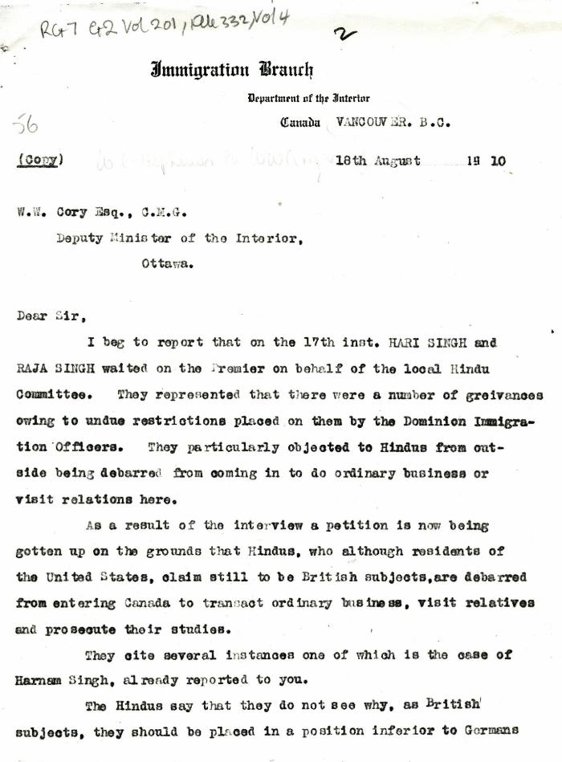
 | [William C. Hopkinson, Immigration Inspector, to William W. Cory, Deputy Minister of the Interior. Copy] (2021_07_4335) | Library and Archives Canada. RG7-G-21, Vol. 201, File 332, vol. 4

 | [William C. Hopkinson, Immigration Inspector, to William W. Cory, Deputy Minister of the Interior. Copy] (2021_07_4323) | Library and Archives Canada. RG7-G-21, Vol. 200, File 332, vol. 3 (a)

 | [William C. Hopkinson, Immigration Inspector, to William W. Cory, Deputy Minister of the Interior. Copy] (2021_07_4365) | Library and Archives Canada. RG76, Vol. 384, File 536999, pt. 3

 | [William C. Hopkinson, Immigration Inspector, to William W. Cory, Deputy Minister of the Interior. Copy] (2021_07_4338) | Library and Archives Canada. RG7-G-21, Vol. 201, File 332, vol. 4
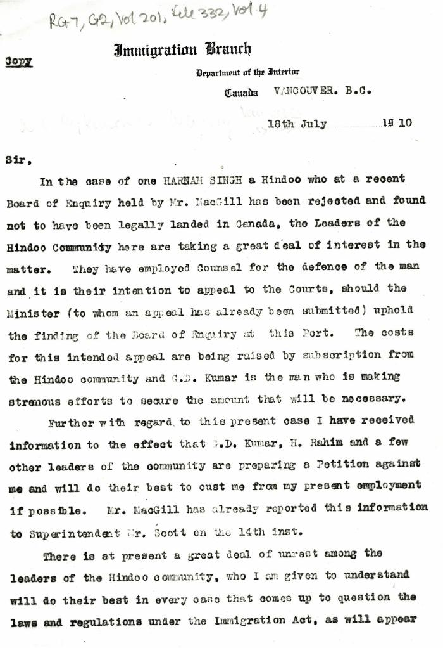
 | [William C. Hopkinson, Immigration Inspector, to William W. Cory, Deputy Minister of the Interior. Copy] (2021_07_4332) | Library and Archives Canada. RG7-G-21, Vol. 201, File 332, vol. 4

 | [William C. Hopkinson, Immigration Inspector, to William W. Cory, Deputy Minister of the Interior. Copy] (2021_07_4368) | Library and Archives Canada. RG7-G-21, Vol. 201

 | [William C. Hopkinson, Immigration Inspector, to William W. Cory, Deputy Minister of the Interior. Copy] (2021_07_4282) | Library and Archives Canada. RG7-G-21, Vol. 200, File 332, vol. 2 (3b)
 | [William C. Hopkinson, Immigration Inspector, to William W. Cory, Deputy Minister of the Interior. Copy] (2021_07_4278) | Library and Archives Canada. RG7-G-21, Vol. 200, File 332, vol. 2 (3b)
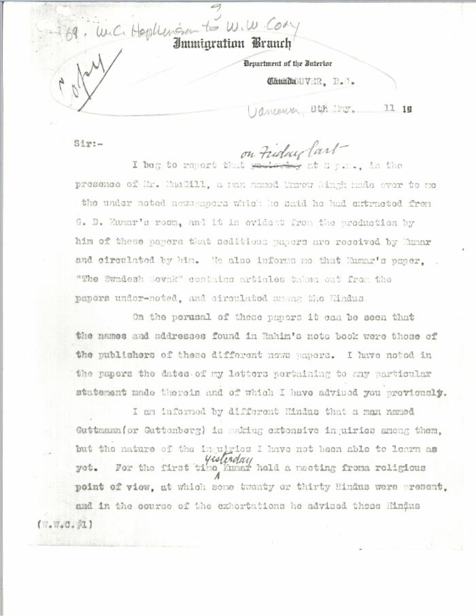
 | [William C. Hopkinson, Immigration Inspector, to William W. Cory, Deputy Minister of the Interior. Copy] (2021_07_4384) | Library and Archives Canada. RG7-G-21, Vol. 201, File 332, vol. 4

 | [William C. Hopkinson, Immigration Inspector, to William W. Cory, Deputy Minister of the Interior. Copy] (2021_07_4381) | Library and Archives Canada. RG7-G-21, Vol. 201, File 332, vol. 4
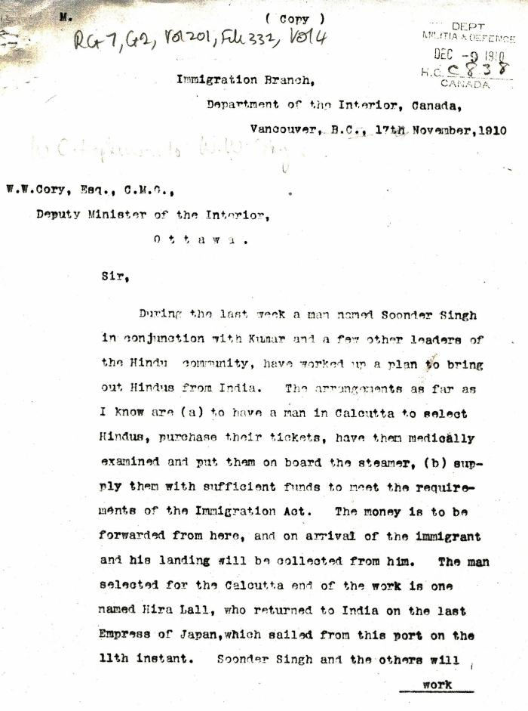
 | [William C. Hopkinson, Immigration Inspector, to William W. Cory, Deputy Minister of the Interior. Copy] (2021_07_4353) | Library and Archives Canada. RG7-G-21, Vol. 201, File 332, vol. 4
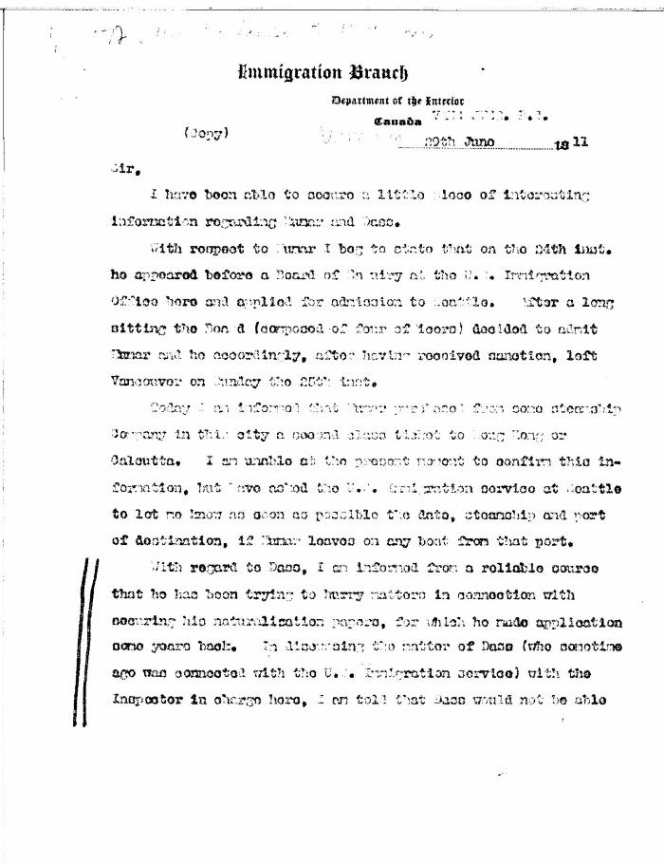
 | [William C. Hopkinson, Immigration Inspector, to William W. Cory, Deputy Minister of the Interior. Copy] (2021_07_4391) | Library and Archives Canada. RG7-G-21, Vol. 201, File 332, vol. 4

 | [William C. Hopkinson, Immigration Inspector, to William W. Cory, Deputy Minister of the Interior] (2021_07_4285) | Library and Archives Canada. RG7-G-21, Vol. 200, File 332, vol. 3 (b)
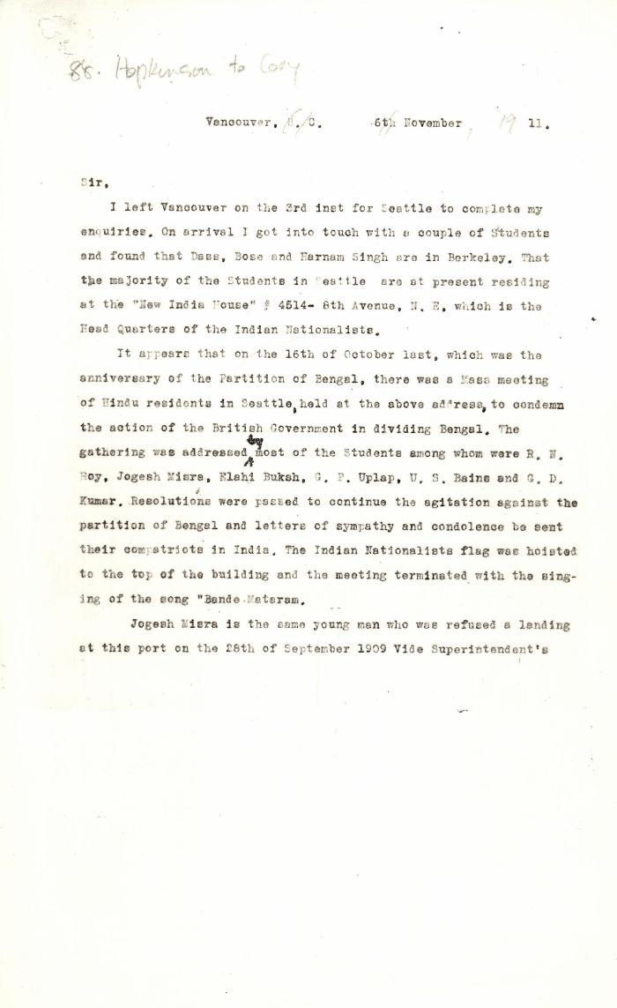
 | [William C. Hopkinson, Immigration Inspector, to William W. Cory, Deputy Minister of the Interior] (2021_07_4441) | Library and Archives Canada. RG7-G-21, Vol. 201
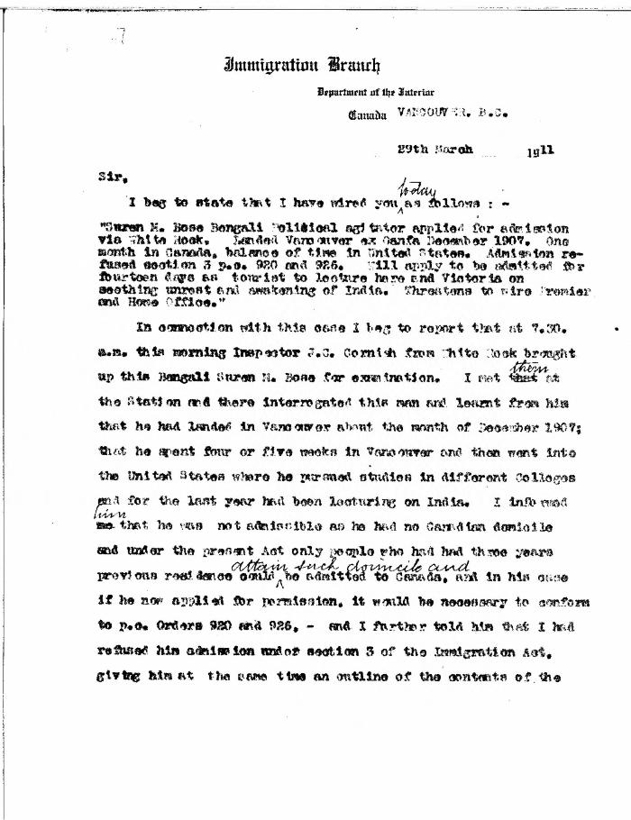
 | [William C. Hopkinson, Immigration Inspector, to William W. Cory, Deputy Minister of the Interior] (2021_07_4376) | Library and Archives Canada. RG7-G-21, Vol. 201, File 332, vol. 4

 | [William C. Hopkinson, Immigration Inspector, to William W. Cory, Deputy Minister of the Interior] (2021_07_4265) | Library and Archives Canada. RG7-G-21, Vol. 200, File 332, vol. 2 (3b)

 | [William C. Hopkinson, Immigration Inspector, to William W. Cory, Deputy Minister of the Interior] (2021_07_4262) | Library and Archives Canada. RG7-G-21, Vol. 200, File 332, vol. 2 (3b)

