Results
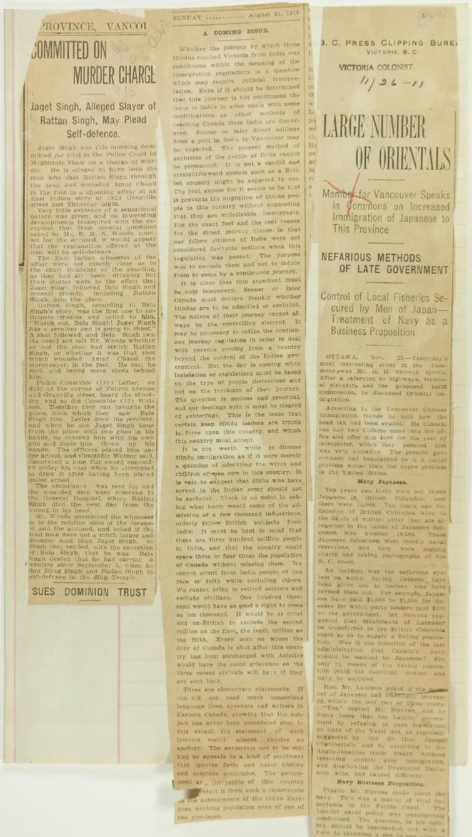
Image | Object | Description | Date
 | Newsclippings - Vancouver Daily Province: Committed on murder charge; A coming issue; Victoria Daily Colonist: Large number of Orientals (2021_07_4090) | Page 069

